Sheet1
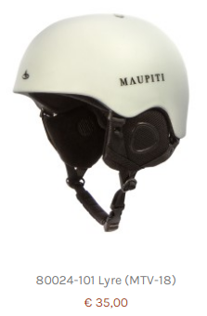
Item | Item Short Description | Color | Color Description | Size 1 | Size 2 | Stock | SSP | SRP
80024 | Lyre (MTV-18) | 101 | white | 53-55 | S | 60 | € 35.00 | € 69.99
80024 | Lyre (MTV-18) | 101 | white | 55-58 | M | 60 | € 35.00 | € 69.99
80024 | Lyre (MTV-18) | 101 | white | 58-61 | L | 80 | € 35.00 | € 69.99
80024 | Lyre (MTV-18) | 201 | black | 53-55 | S | 30 | € 35.00 | € 69.99
80024 | Lyre (MTV-18) | 201 | black | 55-58 | M | 70 | € 35.00 | € 69.99
80024 | Lyre (MTV-18) | 201 | black | 58-61 | L | 90 | € 35.00 | € 69.99
 |  |  |  |  |  | 390

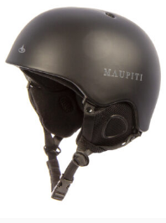
 | PACKING ALSO SHOWS SKI GOGGLE
 | BUT IS NOT INCLUDED

